FAK
GPIB CMD Tester ( A.01.00)
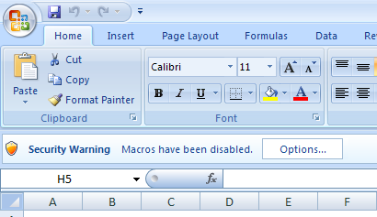
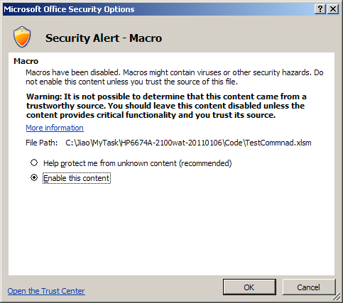
Please do this each time you open the excel tool
1
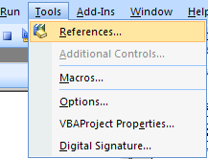
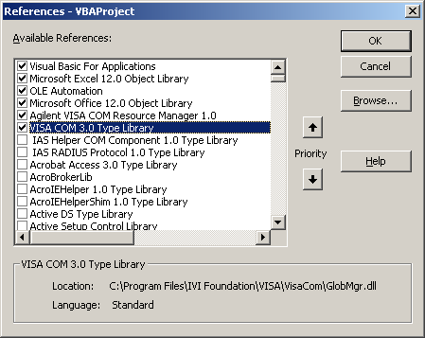
If debug error occurs, make sure following 2 items are selected.
2
Press Alt + F11 to toggle to the VBA editor

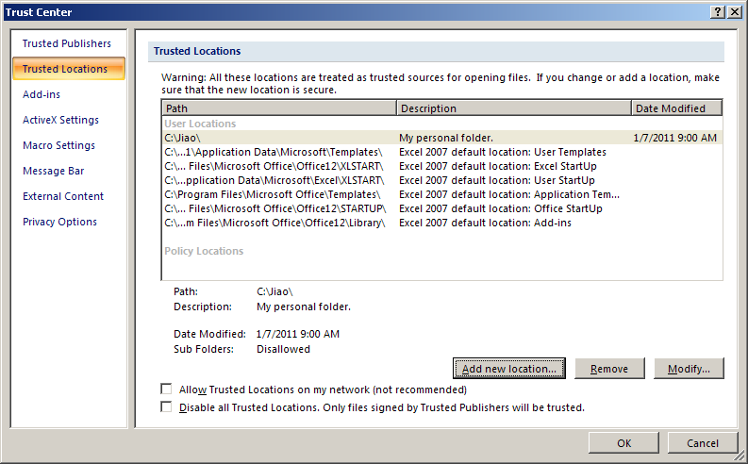
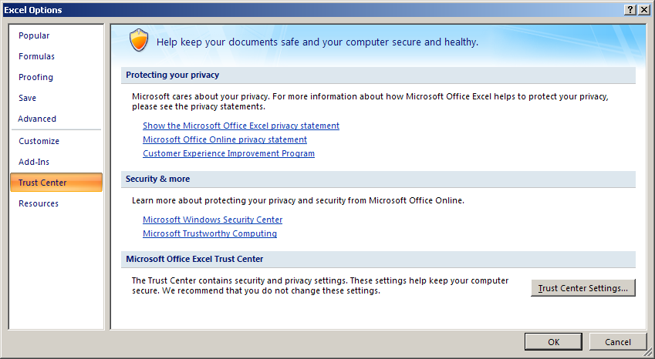
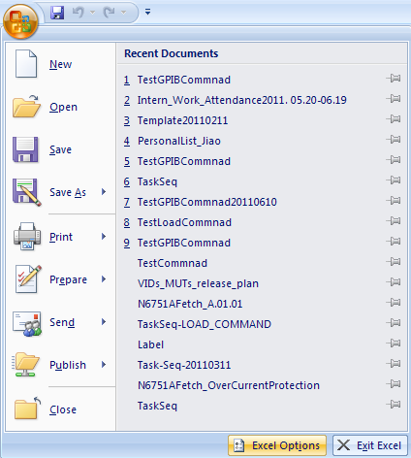
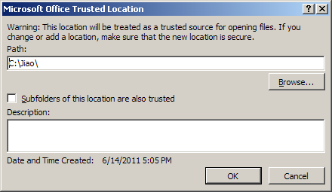
Start your excel with Macro always on: 1.Do the following setting 2. Put your file into it
Add your own secure folder and put your file in it.
Yu can also

ShortIntro
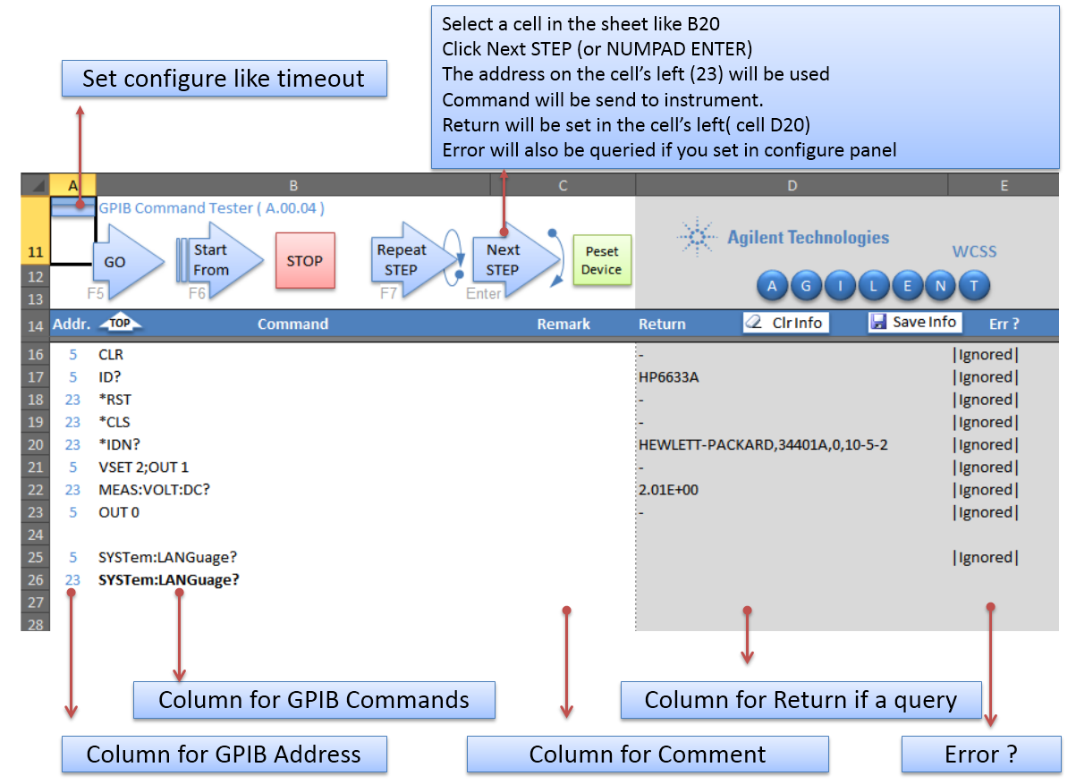
< Back

GPIB_Command_Tester
GO
Start From
Repeat
STEP
Next
STEP
STOP
Peset
Device
K
E
Y
S
I
G
H
T
 | GPIB CMD Tester ( A.01.00) |  | WCSS
K
E
Y
S
I
G
H
T

TOP
Save Info
Clr Info
Addr. | Command | Remark | Return | Err ? | Addr. | Command | Remark | Addr. | Command | Remark | Addr. | Command | Remark | Addr. | Command | Remark | Addr. | Command | Remark | Addr. | Command | Remark | Addr. | Command | Remark | Addr. | Command | Remark
1
14 | :SYST:PRES;:INST:NSEL 8 |  | - | +0,"No error"
14 | *IDN? |  | Agilent Technologies,E6607A,MY51285985,A.12.75 | +0,"No error"
14 | :MMEM:CAT? "D:\NVARB" | /*查看硬盘波形 | 4688736256,18235117568,"10M_12RB_0SRB_16QAM.wfm,,12288368","10M_1RB_0SRB_16QAM.wfm,,12288368","10M_1RB_0SRB_QPSK.wfm,,12288368","10M_1RB_24SRB_QPSK.wfm,,12288368","10M_1RB_49SRB_QPSK.wfm,,12288368","10M_50RB_0SRB_16QAM.wfm,,12288368","10M_50RB_0SRB_QPSK.wfm,,12288368","10M_6RB_0SRB_QPSK.wfm,,12288368","10M_6RB_22SRB_QPSK.wfm,,12288368","10M_6RB_44SRB_QPSK.wfm,,12288368","c2k-rc1-full.HEADER,,138","c2k-rc1-full.WAVEFORM,,4718592","C2K_onechannel.wfm,,328064","C2K_RC1_FULL_4Superframes.wfm,,11796976","CDMA2K_9CHAN.WFM,,1310960","CDMA2K_PILOT.WFM,,655616","CW_TOI_2TONE.WFM,,2816","DCHSDPA_10M.wfm,,3072464","EDGE_1C_BURST.WFM,,1250320","EDGE_BURST.WFM,,9750192","EVDO_2010_10_29.WFM,,31457760","glonass-EXT-07Jun2011.bin,,122640000","GMSK_RFMODE.WFM,,325360","GPS_SV27.wfm,,20000336","GSM_1C_BURST.WFM,,1250320","GSM_BURST.WFM,,9750192","GSM_MCS1.WFM,,16575424","GSM_MCS9_PN15.WFM,,650432","Intel-GSM-CS4-400bit.wfm,,33150432","LTETDD_10M_MCS5_CFG1_4_AGG8_2.WFM,,10752368","MCS4_SLOT34_BER.WFM,,637936","MT_31TONES_2MHZSPC.WFM,,4256","MT_7TONES_2KHZSPC.WFM,,6560","multitone_4.header,,229","MultiTone_4.WAVEFORM,,250000","Nullwaveform.bin,,40000","null_wfm2.txt,,14","QAM16.WFM,,327904","QC_LTEFDD_5M_2015.wfm,,6144368","QC_LTE_TDD_10MHz_2015.wfm,,10752368","QC_WCDMA_ALLUP_2016.wfm,,3072464","QPSK.WFM,,327872","RMC64K_16Frames.WFM,,9216464","SINE_TEST.WFM,,4288","TCHSlot3_new.wfm,,8287936","TDSCDMA_12.2KRMC_CLPC.WFM,,15360416","TDSCDMA_12.2KRMC_QC_2.WFM,,1024416","TDSCDMA_RFMode.wfm,,327920","WCDMA_1DPCH.WFM,,1536192","WCDMA_ILPC_PN9.WFM,,3264464","WCDMA_NS.wfm,,4608464","WCDMA_TM1_64DPCH_1C.WFM,,1536224","WCDMA_TM1_64DPCH_4C.WFM,,1344224","WLAN20MHZ54M64QAM.WFM,,112240" | +0,"No error"
14 | :SYST:ERR? | /*报错信息 | +0,"No error" | +0,"No error"
14 | :SYST:CONF? | /*序列号，版本，license信息 | #3640Agilent Technologies Product#: E6607A Serial#: MY51285985 Firmware Revision:A.12.75 Hostname: A-E6607A-85985 IP Addr: 127.0.0.1 Host ID: E6607A,MY51285985 E6607A-221: (1.0.0.0) E6607A-222: (1.0.0.0) E6607A-250: (1.0.0.0) E6607A-503: (1.0.0.0) E6607A-B25: (1.0.0.0) E6607A-B40: (1.0.0.0) E6607A-EA3: (1.0.0.0) E6607A-P03: (1.0.0.0) E6607A-RFO: (1.0.0.0) E6607A-SRC: (1.0.0.0) N7601B-8FP: (1.0.0.0) N7601B-FFP: (1.0.0.0) N7601B-SFP: (1.0.0.0) U9060A-2FP: (1.0.0.0) U9065A-2FP: (1.0.0.0) U9071A-2FP: (1.0.0.0) U9072A-2FP: (1.0.0.0) U9073A-1FP: (1.0.0.0) U9076A-1FP: (1.0.0.0) U9079A-1FP: (1.0.0.0) U9080A-1FP: (1.0.0.0) U9082A-1FP: (1.0.0.0) | +0,"No error"
14 | :SYSTem:PON:APPLication:LLISt? | /*查看poweron preloading app | "BASIC,LTE,CDMA1XEV,SEQAN,EDGEGSM,WCDMA,CDMA2K,TDSCDMA,LTETDD" | +0,"No error"
14 | SOUR:RAD:ARB:MPL:NAME:LOCKed? | /*查看已锁波形 | "GSM_MCS1.WFM","GSM_MCS9_PN15.WFM","WCDMA_ILPC_PN9.WFM","EVDO_2010_10_29.WFM","RMC64K_16Frames.WFM","MCS4_SLOT34_BER.WFM","DCHSDPA_10M.wfm","10M_1RB_0SRB_16QAM.wfm","10M_1RB_0SRB_QPSK.wfm","10M_1RB_24SRB_QPSK.wfm","10M_1RB_49SRB_QPSK.wfm","10M_6RB_0SRB_QPSK.wfm","10M_6RB_22SRB_QPSK.wfm","10M_6RB_44SRB_QPSK.wfm","10M_12RB_0SRB_16QAM.wfm","10M_50RB_0SRB_16QAM.wfm","10M_50RB_0SRB_QPSK.wfm","C2K_onechannel.wfm","GMSK_RFMODE.WFM","LTETDD_10M_MCS5_CFG1_4_AGG8_2.WFM","TDSCDMA_12.2KRMC_CLPC.WFM","TDSCDMA_12.2KRMC_QC_2.WFM","GPS_SV27.wfm","C2K_RC1_FULL_4Superframes.wfm","Intel-GSM-CS4-400bit.wfm","QC_LTE_TDD_10MHz_2015.wfm","QC_WCDMA_ALLUP_2016.wfm","TCHSlot3_new.wfm","WCDMA_NS.wfm","QC_LTEFDD_5M_2015.wfm" | +0,"No error"
14 | :FEED:AREF REF50;:FREQ:CENT 50 MHZ | /*打开50Mhz internal calibrator | - | +0,"No error"
14 | :CALC:SPEC:MARK1:MAX;:CALC:spec:MARK1:Y? |  | -5.04E+00 | +0,"No error"
14 | POW:ATT 0; |  | - | +0,"No error"
14 | :CALC:SPEC:MARK1:MAX;:CALC:spec:MARK1:Y?;:POW:ATT 2 | /*测试0dB衰减器 | -5.09E+00 | +0,"No error"
14 | :CALC:SPEC:MARK1:MAX;:CALC:spec:MARK1:Y?;:POW:ATT 4 | /*测试2dB衰减器 | -5.06E+00 | +0,"No error"
14 | :CALC:SPEC:MARK1:MAX;:CALC:spec:MARK1:Y?;:POW:ATT 6 | /*测试4dB衰减器 | -5.06E+00 | +0,"No error"
14 | :CALC:SPEC:MARK1:MAX;:CALC:spec:MARK1:Y?;:POW:ATT 10 | /*测试6dB衰减器 | -5.04E+00 | +0,"No error"
14 | Spec:FREQ:SPAN 1000 Hz;:CALC:SPEC:MARK1:MAX;:CALC:spec:MARK1:Y?;:POW:ATT 20 | /*测试10dB衰减器 | -5.05E+00 | +0,"No error"
14 | CALC:SPEC:MARK1:MAX;:CALC:spec:MARK1:Y?;:POW:ATT 30 | /*测试20dB衰减器 | -5.05E+00 | +0,"No error"
14 | CALC:SPEC:MARK1:MAX;:CALC:spec:MARK1:Y?;:POW:ATT 6 | /*测试30dB衰减器 | -5.05E+00 | +0,"No error"
14 | Spec:FREQ:SPAN 10kHz;:CALC:spec:MARK1:Y? |  | -5.03E+00 | +0,"No error"
14 | Spec:FREQ:SPAN 100kHz;:CALC:spec:MARK1:Y? |  | -5.03E+00 | +0,"No error"
14 | Spec:FREQ:SPAN 1000kHz;:CALC:spec:MARK1:Y? |  | -5.03E+00 | +0,"No error"
14 | Spec:FREQ:SPAN 10MHz;:CALC:spec:MARK1:Y? |  | -5.03E+00 | +0,"No error"
14 | Spec:FREQ:SPAN 20MHz;:CALC:spec:MARK1:Y? |  | -5.04E+00 | +0,"No error"
14 | Spec:FREQ:SPAN 40MHz;:CALC:spec:MARK1:Y? |  | -4.99E+00 | +0,"No error"
14 | :SYST:PRES;:Spec:FREQ:SPAN 100kHz |  | - | +0,"No error"
14 | OUTPUT OFF;:FEED:RF:PORT:OUTP RFIO1;:FEED:RF:PORT:OUTP?;:FEED:RF:PORT RFIO2;:SOUR:FREQ 100 MHZ;:FREQ:CENT 100 MHZ;:SOUR:POW -20;:OUTPUT ON | /*RFIO1 CW输出功率测试 | RFIO1 | +0,"No error"
14 | SOUR:POW? |  | -20.00 | +0,"No error"
14 | SOUR:FREQ 100 MHZ;:FREQ:CENT 100 MHZ |  | - | +0,"No error"
14 | CALC:SPEC:MARK1:MAX;:CALC:spec:MARK1:Y? |  | -88.85 | +0,"No error"
14 | SOUR:FREQ 200 MHZ;:FREQ:CENT 200 MHZ
14 | CALC:SPEC:MARK1:MAX;:CALC:spec:MARK1:Y?
14 | SOUR:FREQ 300 MHZ;:FREQ:CENT 300 MHZ
14 | CALC:SPEC:MARK1:MAX;:CALC:spec:MARK1:Y?
14 | SOUR:FREQ 400 MHZ;:FREQ:CENT 400 MHZ
14 | CALC:SPEC:MARK1:MAX;:CALC:spec:MARK1:Y?
14 | SOUR:FREQ 500 MHZ;:FREQ:CENT 500 MHZ
14 | CALC:SPEC:MARK1:MAX;:CALC:spec:MARK1:Y?
14 | SOUR:FREQ 600 MHZ;:FREQ:CENT 600 MHZ
14 | CALC:SPEC:MARK1:MAX;:CALC:spec:MARK1:Y?
14 | SOUR:FREQ 700 MHZ;:FREQ:CENT 700 MHZ
14 | CALC:SPEC:MARK1:MAX;:CALC:spec:MARK1:Y?
14 | SOUR:FREQ 800 MHZ;:FREQ:CENT 800 MHZ
14 | CALC:SPEC:MARK1:MAX;:CALC:spec:MARK1:Y?
14 | SOUR:FREQ 900 MHZ;:FREQ:CENT 900 MHZ
14 | CALC:SPEC:MARK1:MAX;:CALC:spec:MARK1:Y?
14 | SOUR:FREQ 1000 MHZ;:FREQ:CENT 1000 MHZ
14 | CALC:SPEC:MARK1:MAX;:CALC:spec:MARK1:Y?
14 | SOUR:FREQ 1100 MHZ;:FREQ:CENT 1100 MHZ
14 | CALC:SPEC:MARK1:MAX;:CALC:spec:MARK1:Y?
14 | SOUR:FREQ 1200 MHZ;:FREQ:CENT 1200 MHZ
14 | CALC:SPEC:MARK1:MAX;:CALC:spec:MARK1:Y?
14 | SOUR:FREQ 1300 MHZ;:FREQ:CENT 1300 MHZ
14 | CALC:SPEC:MARK1:MAX;:CALC:spec:MARK1:Y?
14 | SOUR:FREQ 1400 MHZ;:FREQ:CENT 1400 MHZ
14 | CALC:SPEC:MARK1:MAX;:CALC:spec:MARK1:Y?
14 | SOUR:FREQ 1500 MHZ;:FREQ:CENT 1500 MHZ
14 | CALC:SPEC:MARK1:MAX;:CALC:spec:MARK1:Y?
14 | SOUR:FREQ 1600 MHZ;:FREQ:CENT 1600 MHZ
14 | CALC:SPEC:MARK1:MAX;:CALC:spec:MARK1:Y?
14 | SOUR:FREQ 1700 MHZ;:FREQ:CENT 1700 MHZ
14 | CALC:SPEC:MARK1:MAX;:CALC:spec:MARK1:Y?
14 | SOUR:FREQ 1800 MHZ;:FREQ:CENT 1800 MHZ
14 | CALC:SPEC:MARK1:MAX;:CALC:spec:MARK1:Y?
14 | SOUR:FREQ 1900 MHZ;:FREQ:CENT 1900 MHZ
14 | CALC:SPEC:MARK1:MAX;:CALC:spec:MARK1:Y?
14 | SOUR:FREQ 2000 MHZ;:FREQ:CENT 2000 MHZ
14 | CALC:SPEC:MARK1:MAX;:CALC:spec:MARK1:Y?
14 | SOUR:FREQ 2100 MHZ;:FREQ:CENT 2100 MHZ
14 | CALC:SPEC:MARK1:MAX;:CALC:spec:MARK1:Y?
14 | SOUR:FREQ 2200 MHZ;:FREQ:CENT 2200 MHZ
14 | CALC:SPEC:MARK1:MAX;:CALC:spec:MARK1:Y?
14 | SOUR:FREQ 2300 MHZ;:FREQ:CENT 2300 MHZ
14 | CALC:SPEC:MARK1:MAX;:CALC:spec:MARK1:Y?
14 | SOUR:FREQ 2400 MHZ;:FREQ:CENT 2400 MHZ
14 | CALC:SPEC:MARK1:MAX;:CALC:spec:MARK1:Y?
14 | SOUR:FREQ 2500 MHZ;:FREQ:CENT 2500 MHZ
14 | CALC:SPEC:MARK1:MAX;:CALC:spec:MARK1:Y?
14 | SOUR:FREQ 2600 MHZ;:FREQ:CENT 2600 MHZ
14 | CALC:SPEC:MARK1:MAX;:CALC:spec:MARK1:Y?
14 | SOUR:FREQ 2700 MHZ;:FREQ:CENT 2700 MHZ
14 | CALC:SPEC:MARK1:MAX;:CALC:spec:MARK1:Y?
14 | SOUR:FREQ 2800 MHZ;:FREQ:CENT 2800 MHZ
14 | CALC:SPEC:MARK1:MAX;:CALC:spec:MARK1:Y?
14 | SOUR:FREQ 2900 MHZ;:FREQ:CENT 2900 MHZ
14 | CALC:SPEC:MARK1:MAX;:CALC:spec:MARK1:Y?
14 | SOUR:FREQ 3000 MHZ;:FREQ:CENT 3000 MHZ
14 | CALC:SPEC:MARK1:MAX;:CALC:spec:MARK1:Y?
14 | SOUR:FREQ 3100 MHZ;:FREQ:CENT 3100 MHZ
14 | CALC:SPEC:MARK1:MAX;:CALC:spec:MARK1:Y?
14 | SOUR:FREQ 3200 MHZ;:FREQ:CENT 3200 MHZ
14 | CALC:SPEC:MARK1:MAX;:CALC:spec:MARK1:Y?
14 | SOUR:FREQ 3300 MHZ;:FREQ:CENT 3300 MHZ
14 | CALC:SPEC:MARK1:MAX;:CALC:spec:MARK1:Y?
14 | SOUR:FREQ 3400 MHZ;:FREQ:CENT 3400 MHZ
14 | CALC:SPEC:MARK1:MAX;:CALC:spec:MARK1:Y?
14 | SOUR:FREQ 3500 MHZ;:FREQ:CENT 3500 MHZ
14 | CALC:SPEC:MARK1:MAX;:CALC:spec:MARK1:Y?
14 | SOUR:FREQ 3600 MHZ;:FREQ:CENT 3600 MHZ
14 | CALC:SPEC:MARK1:MAX;:CALC:spec:MARK1:Y?
14 | OUTPUT OFF;:FEED:RF:PORT:OUTP RFIO2;:FEED:RF:PORT:OUTP?;:FEED:RF:PORT RFIO1 | /*RFIO1 CW输入功率测试
14 | SOUR:POW -20;:SOUR:POW?;:OUTPUT ON
14 | SOUR:FREQ 100 MHZ;:FREQ:CENT 100 MHZ
14 | CALC:SPEC:MARK1:MAX;:CALC:spec:MARK1:Y?
14 | SOUR:FREQ 500 MHZ;:FREQ:CENT 500 MHZ
14 | CALC:SPEC:MARK1:MAX;:CALC:spec:MARK1:Y?
14 | SOUR:FREQ 1 GHZ;:FREQ:CENT 1 GHZ
14 | CALC:SPEC:MARK1:MAX;:CALC:spec:MARK1:Y?
14 | SOUR:FREQ 1.5 GHZ;:FREQ:CENT 1.5 GHZ
14 | CALC:SPEC:MARK1:MAX;:CALC:spec:MARK1:Y?
14 | SOUR:FREQ 2 GHZ;:FREQ:CENT 2 GHZ
14 | CALC:SPEC:MARK1:MAX;:CALC:spec:MARK1:Y?
14 | SOUR:FREQ 2.5 GHZ;:FREQ:CENT 2.5 GHZ
14 | CALC:SPEC:MARK1:MAX;:CALC:spec:MARK1:Y?
14 | SOUR:FREQ 3 GHZ;:FREQ:CENT 3 GHZ
14 | CALC:SPEC:MARK1:MAX;:CALC:spec:MARK1:Y?
14 | SOUR:FREQ 3.5 GHZ;:FREQ:CENT 3.5 GHZ
14 | CALC:SPEC:MARK1:MAX;:CALC:spec:MARK1:Y?
14 | SOUR:POW:ALC OFF | /*ALC OFF
14 | SOUR:FREQ 100 MHZ;:FREQ:CENT 100 MHZ
14 | CALC:SPEC:MARK1:MAX;:CALC:spec:MARK1:Y?
14 | SOUR:FREQ 1 GHZ;:FREQ:CENT 1 GHZ
14 | CALC:SPEC:MARK1:MAX;:CALC:spec:MARK1:Y?
14 | SOUR:FREQ 2 GHZ;:FREQ:CENT 2 GHZ
14 | CALC:SPEC:MARK1:MAX;:CALC:spec:MARK1:Y?
14 | SOUR:POW:ALC ON
14 | :SYST:PRES | /*检测调制波形
14 | :INST:NSEL 8 | /*选择BASIC模式LOAD WAV
14 | SOUR:RAD:ARB:LOAD "NVWFM:GSM_MCS9_PN15.WFM";*OPC?
14 | #DelaySecond 1
14 | :FEED:RF:PORT RFIO2;::FEED:RF:PORT:OUTP RFIO1
14 | SOUR:POW -10 dBm;:SOUR:FREQ 935.2Mhz
14 | SOUR:RAD:ARB:WAV "GSM_MCS9_PN15.WFM" | /*选择GSM_MCS9_PN15.WFM波形
14 | SOUR:RAD:ARB ON;:OUTP:MOD ON;:OUTP ON
14 | :INST:CAT?
14 | :INST:NSEL 13 | /*选择GSMEDGE模式
14 | CONFigure:CATalog? | /*查看meas里面测试项
14 | CONFigure:EEVM
14 | CALC:CLIM:FAIL? | /*查看测试结果0 pass,1 fail
14 | :INST:NSEL 8 | :INST:NSEL 8
14 | SOUR:RAD:ARB:LOAD "NVWFM:GSM_BURST.WFM"
14 | #DelaySecond 5
14 | SOUR:RAD:ARB:WAV "GSM_BURST.WFM"
14 | :INST:NSEL 13
14 | CONFigure:CATalog? | /*查看meas里面测试项
14 | CONFigure:EEVM;:CALC:CLIM:FAIL? | /*查看测试结果0 pass,1 fail
14 | :INST:NSEL 8 | /*选择C2K模式LOAD WAV
14 | SOUR:RAD:ARB:LOAD "NVWFM:CDMA2K_PILOT.WFM"
14 | SOUR:RAD:ARB:WAV "CDMA2K_PILOT.WFM"
14 | :INST:NSEL 10
14 | SOUR:FREQ 1Ghz
14 | CONFigure:CATalog?
14 | CONFigure:RHO
14 | CALC:CLIM:FAIL? | /*查看测试结果0 pass,1 fail
14 | :INST:NSEL 8;:SYST:PRES | /*选择C2K模式LOAD WAV

